Ark1
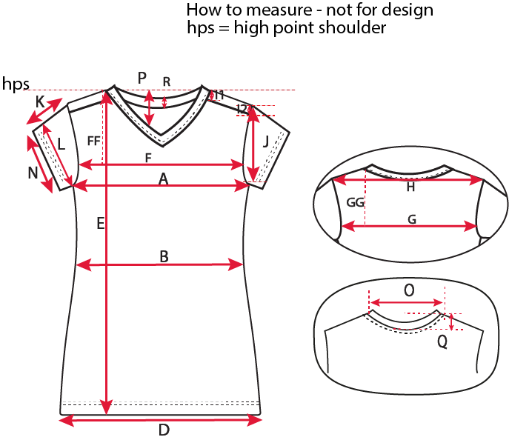
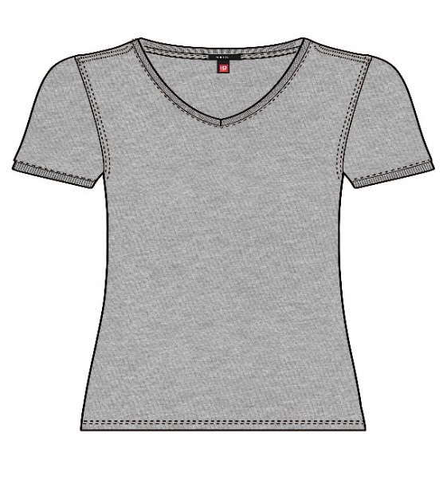
Size measurement |  |  |  |  |  |  |  |  |  |  |  | Date: 19.09.2016

Article: 0543 - V-neck Tee
 |  |  |  |  |  |  |  |  |  |  |  | Sample Size M
Size |  | XS | S | M | L | XL | 2XL | 3XL | 4XL | 5XL | 6XL |  | Tolerance
A | ½ Chest, Armpit to Armpit | 43.0 | 45.0 | 48.0 | 51.0 | 54.0 | 57.0 | 60.0 | 64.0 | 68.0 | 72.0 |  | +/-1
BB | HPS to Waist | 40.0 | 41.0 | 42.0 | 43.0 | 44.0 | 45.0 | 46.0 | 47.0 | 48.0 | 49.0 |  | +/-0,5
B | ½ Waist, straight | 40.0 | 42.0 | 45.0 | 48.0 | 51.0 | 54.0 | 57.0 | 61.0 | 65.0 | 69.0 |  | +/-1
D | ½ Bottom, straight | 45.0 | 47.0 | 50.0 | 53.0 | 56.0 | 59.0 | 62.0 | 66.0 | 70.0 | 74.0 |  | +/-1
E | Length from HPS, front | 64.0 | 66.0 | 68.0 | 70.0 | 72.0 | 74.0 | 76.0 | 78.0 | 80.0 | 82.0 |  | +/-1
E1 | Length from HPS, back | 63.0 | 65.0 | 67.0 | 69.0 | 71.0 | 73.0 | 75.0 | 77.0 | 79.0 | 81.0 |  | +/-1
FF | HPS to front width | 16.5 | 17.25 | 18.00 | 18.75 | 19.50 | 20.25 | 21.00 | 21.75 | 23.0 | 24.3 |  | +/-0,5
F | Front Width, slim fit | 30.5 | 32.0 | 34.0 | 36.0 | 38.0 | 40.0 | 42.0 | 44.5 | 47.0 | 49.5 |  | +/-1
GG | HPS to back width | 16.5 | 17.25 | 18.00 | 18.75 | 19.50 | 20.25 | 21.00 | 21.75 | 23.0 | 24.3 |  | +/-0,5
G | Back Width | 33.5 | 34.5 | 36.0 | 37.5 | 39.0 | 40.5 | 42.0 | 44.0 | 46.0 | 48.0 |  | +/-1
H | Shoulder to Shoulder | 35.5 | 36.5 | 38.0 | 39.5 | 41.0 | 42.5 | 44.0 | 46.0 | 48.0 | 50.0 |  | +/-0,5
HH | HPS to LPS | 2.0 | 2.0 | 2.0 | 2.0 | 2.0 | 2.0 | 2.0 | 2.0 | 2.0 | 2.0 |  | +/-0,2
I1 | HPS to cut, front | 2.2 | 2.2 | 2.2 | 2.2 | 2.2 | 2.2 | 2.2 | 2.2 | 2.2 | 2.2 |  | +/-0,2
I2 | LPS to cut, front | 3.2 | 3.2 | 3.2 | 3.2 | 3.2 | 3.2 | 3.2 | 3.2 | 3.2 | 3.2 |  | +/-0,2
J | Armhole Depth from LPS | 17.5 | 18.25 | 19.00 | 19.75 | 20.50 | 21.25 | 22.00 | 23.0 | 24.0 | 25.0 |  | +/-0,5
K | Sleeve Length, SS | 16.0 | 16.5 | 17.0 | 17.5 | 18.0 | 18.5 | 19.0 | 19.5 | 20.0 | 20.5 |  | +/-1
L | ½ Upper arm width | 14.3 | 15.00 | 16.00 | 17.00 | 18.00 | 19.00 | 20.00 | 21.25 | 22.50 | 23.75 |  | +/-0,5
N | ½ Sleeve Hem, SS | 13.3 | 14.00 | 15.00 | 16.00 | 17.00 | 18.00 | 19.00 | 20.25 | 21.50 | 22.75 |  | +/-0,5
NR | Rib height | 1.0 | 1.0 | 1.0 | 1.0 | 1.0 | 1.0 | 1.0 | 1.0 | 1.0 | 1.0 |  | +/-0,2
O | Neck Width | 22.6 | 23.3 | 24.0 | 24.7 | 25.4 | 26.1 | 26.8 | 27.5 | 28.2 | 28.9 |  | +/-0,5
P | Neck Drop Front from HPS | 16.2 | 16.6 | 17.0 | 17.4 | 17.8 | 18.2 | 18.6 | 19.0 | 19.4 | 19.8 |  | +/-0,2
Q | Neck Drop Back from HPS | 5.0 | 5.0 | 5.0 | 5.0 | 5.0 | 5.0 | 5.0 | 5.0 | 5.0 | 5.0 |  | +/-0,2
R | Rib, CB | 1.0 | 1.0 | 1.0 | 1.0 | 1.0 | 1.0 | 1.0 | 1.0 | 1.0 | 1.0 |  | +/-0,2
All measurements are in centimeters (cm.)

