06-2016
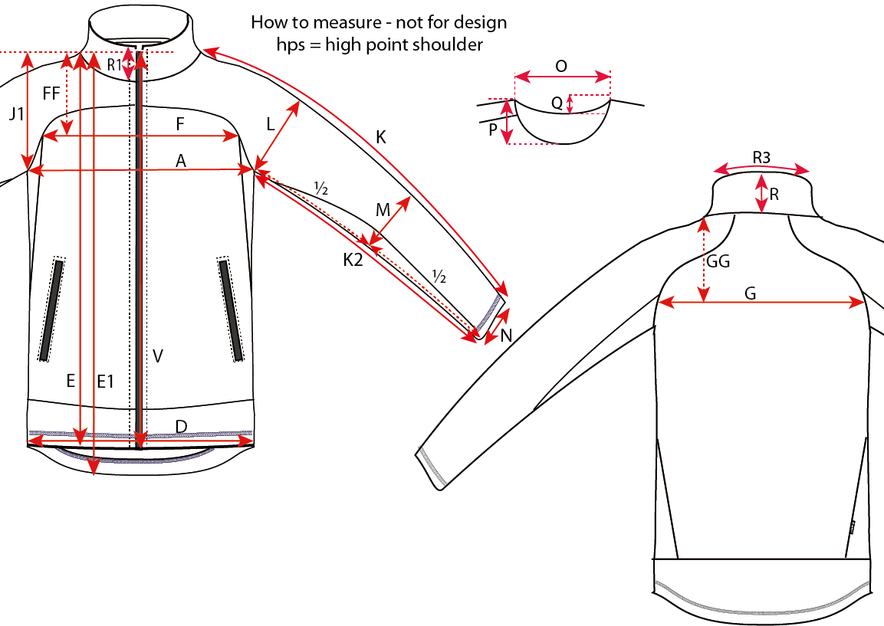
Size measurement |  |  |  |  |  |  |  |  | Date: 09.09.2016

Article: 0806 - Active fleece, Mens
 |  |  |  |  |  |  |  |  |  | Sample
Size |  | XS | S | M | L | XL | 2XL | 3XL | 4XL |  | Tol.
A | ½ Chest | 49 | 52 | 55 | 58 | 61 | 64 | 67 | 71 |  | +/-1
D | ½ Bottom | 47 | 50 | 53 | 56 | 59 | 62 | 65 | 69 |  | +/-1
E | Length from HPS, front | 65 | 67 | 69 | 71 | 73 | 75 | 77 | 79 |  | +/-1
E1 | Length from HPS, back | 68 | 70 | 72 | 74 | 76 | 78 | 80 | 82 |  | +/-1
FF | HPS to front width | 17.75 | 18.5 | 19.25 | 20 | 20.75 | 21.5 | 22.25 | 23 |  | +/-0,5
F | Front Width | 39 | 40.5 | 42 | 43.5 | 45 | 46.5 | 48 | 50 |  | +/-1
GG | HPS to back width | 17.75 | 18.5 | 19.25 | 20 | 20.75 | 21.5 | 22.25 | 23 |  | +/-0,5
G | Back Width | 39 | 40.5 | 42 | 43.5 | 45 | 46.5 | 48 | 50 |  | +/-1
J1 | Armhole Depth from HPS | 24.45 | 25.2 | 25.95 | 26.7 | 27.45 | 28.2 | 28.95 | 29.95 |  | +/-0,5
K | Sleeve Length | 76.5 | 78 | 79.5 | 81 | 82.5 | 84 | 85.5 | 87 |  | +/-1
K2 | Sleeve Inseam | 55 | 56 | 57 | 58 | 59 | 60 | 61 | 62 |  | +/-1
L | ½ Upper arm width | 19 | 20 | 21 | 22 | 23 | 24 | 25 | 26.25 |  | +/-0,5
M | ½ Elbow Width | 15.5 | 16.25 | 17 | 17.75 | 18.5 | 19.25 | 20 | 20.85 |  | +/-0,5
N | ½ Sleeve Hem | 11.5 | 12 | 12.5 | 13 | 13.5 | 14 | 14.5 | 15 |  | +/-0,2
O | Neck Width | 16.1 | 16.8 | 17.5 | 18.2 | 18.9 | 19.6 | 20.3 | 21 |  | +/-0,5
P | Neckdrop Front from HPS | 8.3 | 8.7 | 9.1 | 9.5 | 9.9 | 10.3 | 10.7 | 11.1 |  | +/-0,2
Q | Neckdrop Back from HPS | 1.5 | 1.5 | 1.5 | 1.5 | 1.5 | 1.5 | 1.5 | 1.5 |  | +/-0,2
R | Collar height, CB | 7 | 7 | 7 | 7 | 7 | 7 | 7 | 7 |  | +/-0,2
R1 | Collar height, front | 8 | 8 | 8 | 8 | 8 | 8 | 8 | 8 |  | +/-0,2
R3 | ½ Collar width, top edge | 22 | 23 | 24 | 25 | 26 | 27 | 28 | 29 |  | +/-1
V | Zipper teeth length | 64 | 65.5 | 67 | 68.5 | 70 | 72 | 73.5 | 75 |  | +/-1
All measurements are in centimeters (cm)

