06-2016
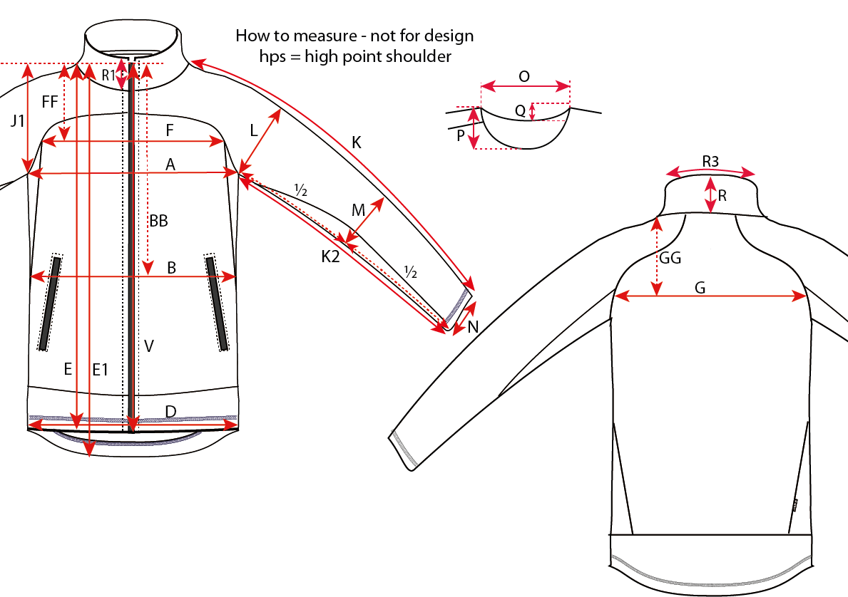
Size measurement |  |  |  |  |  |  |  | Date: 09.09.2016

Article: 0807 - Active fleece, lady
 |  |  |  |  |  |  |  | Sample
Size |  | S | M | L | XL | 2XL | 3XL |  | Tolerance
A | ½ Chest | 47 | 50 | 53 | 56 | 59 | 62 |  | +/-1
BB | Hps to waist level | 37 | 38 | 39 | 40 | 41 | 42 |  | +/-1
B | ½ Waist | 42.5 | 45.5 | 48.5 | 51.5 | 54.5 | 57.5 |  | +/-1
D | ½ Bottom | 48.5 | 51.5 | 54.5 | 57.5 | 60.5 | 63.5 |  | +/-1
E | Length from HPS, front | 62 | 64 | 66 | 68 | 70 | 72 |  | +/-1
E1 | Length from HPS, back | 65 | 67 | 69 | 71 | 73 | 75 |  | +/-1
FF | HPS to front width | 17.25 | 18 | 18.75 | 19.5 | 20.25 | 21 |  | +/-0,5
F | Front Width | 35.5 | 37 | 38.5 | 40 | 41.5 | 43 |  | +/-1
GG | HPS to back width | 17.25 | 18 | 18.75 | 19.5 | 20.25 | 21 |  | +/-0,5
G | Back Width | 35.5 | 37 | 38.5 | 40 | 41.5 | 43 |  | +/-1
J1 | Armhole Depth from HPS | 23.75 | 24.5 | 25.25 | 26 | 26.75 | 27.5 |  | +/-0,5
K | Sleeve Length | 72 | 73 | 74 | 75 | 76 | 77 |  | +/-1
K2 | Sleeve Inseam | 52 | 53 | 54 | 55 | 56 | 57 |  | +/-1
L | ½ Upper arm width | 18 | 19 | 20 | 21 | 22 | 23 |  | +/-0,5
M | ½ Elbow Width | 14.25 | 15 | 15.75 | 16.5 | 17.25 | 18 |  | +/-0,5
N | ½ Sleeve Hem | 11 | 11.5 | 12 | 12.5 | 13 | 13.5 |  | +/-0,2
O | Neck Width | 17.3 | 18 | 18.7 | 19.4 | 20.1 | 20.8 |  | +/-0,5
P | Neckdrop front from HPS | 8.1 | 8.5 | 8.9 | 9.3 | 9.7 | 10.1 |  | +/-0,2
Q | Neckdrop back from HPS | 1.5 | 1.5 | 1.5 | 1.5 | 1.5 | 1.5 |  | +/-0,2
R | Collar height, CB | 6 | 6 | 6 | 6 | 6 | 6 |  | +/-0,2
R1 | Collar height, front | 7 | 7 | 7 | 7 | 7 | 7 |  | +/-0,2
R3 | ½ Collar width, top edge | 21 | 22 | 23 | 24 | 25 | 26 |  | +/-1
V | Zipper teeth length | 61 | 62.5 | 64 | 65.5 | 67.5 | 69 |  | +/-1
All measurements are in centimeters (cm)

